Table of Contents
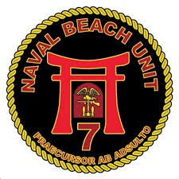
 | Beach Party Team Personnel Tracker |  |  |  | Insert Cool Logo

Credit: CM2 Tyrone

Personnel Roster: | Go | Current Week: | Go | Master Leave Tracker: | Go

Tracker Template: | Go | Qualification List: | Go | Patrol Teams (WIP): | Go

Archived Worklists:

August 2025 |  | September 2025 |  | October 2025
Week 1
Week 2
Week 3

November 2025 |  | December 2025 |  | January 2026

February 2026 |  | March 2026 |  | April 2026

May 2026 |  | June 2026 |  | July 2026

